Indices

 | Iraq Stock Exchange
 | Bulletin No (64)
 | ISX Trading Indices of Wednesday 15/4/2026

 | Traded Volume and OTC |  | 803,238,839 |  | Traded Value and OTC |  | 1,241,068,021 |  | Traders | 1207
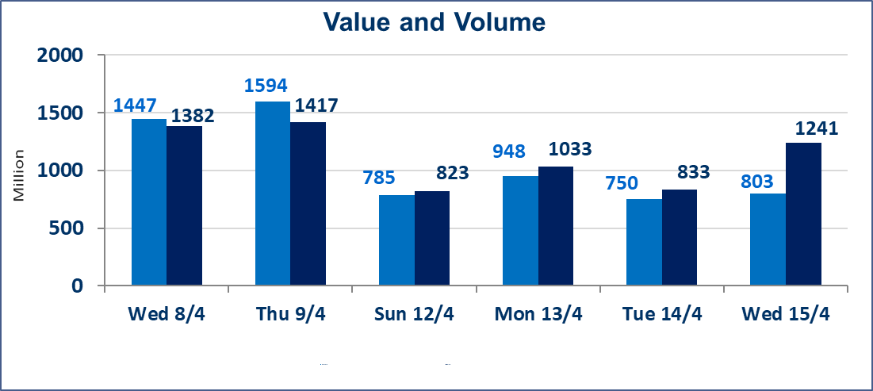
 | ISX Index 60 |  |  | 979.15 | ISX Index 15 |  |  | 1281.95
 | Previous ISX Index60 |  |  | 978.59 | Previous ISX Index15 |  |  | 1271.92
 | Change % |  |  | 0.06 | Change % |  |  | 0.79
 | Change |  |  | 0.56 | Change |  |  | 10.03

 | Listed Companies | 104 | OTC | 14 | Non Traded listed | 46 | OTC | 11
 | Traded Listed Companies | 47 | OTC | 2 | Higher Companies |  |  | 10
 | GAM Companies |  |  | 3 | Lower Companies |  |  | 10
 | Suspended Companies |  |  | 8 | GAM Companies OTC |  |  | 1
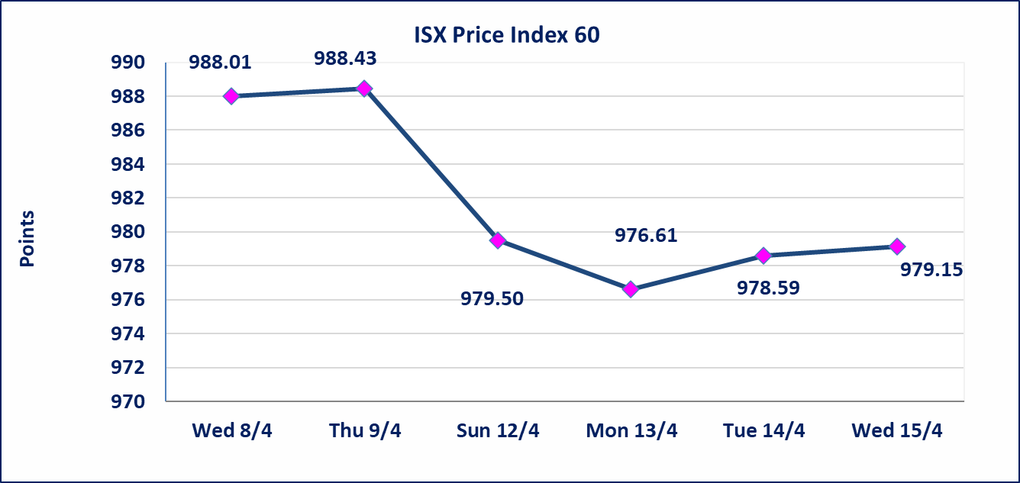
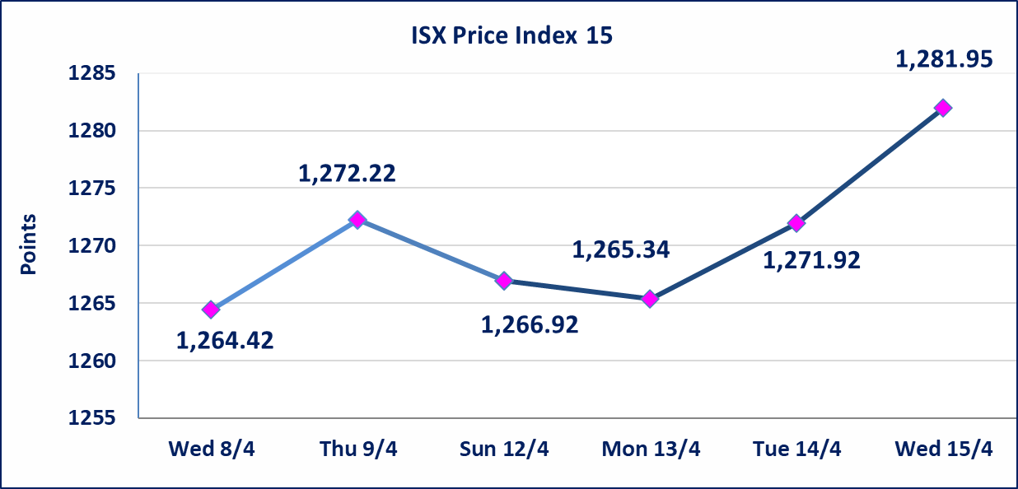

Al-Alwiya P.O . 3607 Mobile: 07711211522 - 07270094594 - 07834000034 E-mail: info-isx@isx-iq.net Web site:www.isx-iq.net

Top 5
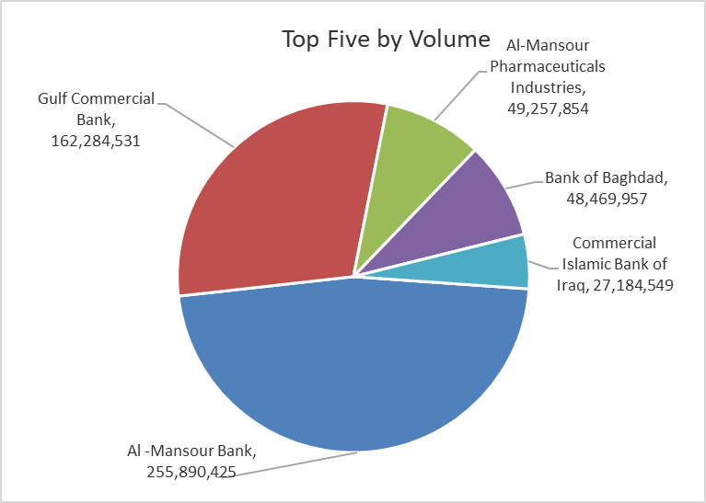
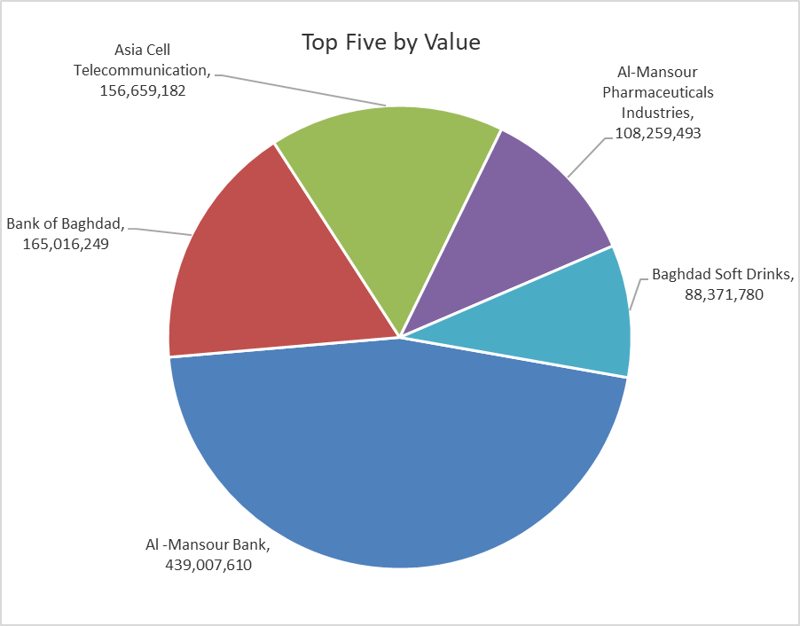

ISX top ganing and losing companies
Wednesday 15/4/2026
 | Gainers |  |  |  | Losers
 | Company Name | Closing Price | Change (%) | Traded Volume | Company Name | Closing Price | Change (%) | Traded Volume
 | Babil Animal & Vegetable Production | 8.470 | 4.83 | 2,338,160 | Al-Hamraa for Insurance | 4.600 | -4.96 | 56,956
 | Investment Bank of Iraq | 0.220 | 4.76 | 112,552 | Al-Mosul for funfairs | 7.020 | -2.90 | 12,224
 | Ashour Hotel | 32.200 | 4.72 | 2,500 | Credit Bank Of Iraq | 0.590 | -1.67 | 2,992,254
 | Asia Cell Telecommunication | 16.430 | 2.69 | 9,679,488 | Al-Ameen for Insurance | 0.910 | -1.09 | 21,695
 | Fallujah for construction Materials | 2.750 | 1.85 | 700,000 | Mamoura Realestate | 3.230 | -0.92 | 799,962
 | The most active companies in term of traded volume and value

 | Traded Volume |  |  |  | Traded Value
 | Company Name | Closing Price | Change (%) | Traded Volume | Company Name | Closing Price | Change (%) | Traded Value
 | Al -Mansour Bank | 1.730 | 1.76 | 255,890,425 | Al -Mansour Bank | 1.730 | 1.76 | 439,007,610
 | Gulf Commercial Bank | 0.380 | 0.00 | 162,284,531 | Bank of Baghdad | 3.390 | -0.88 | 165,016,249
 | Al-Mansour Pharmaceuticals Industries | 2.200 | -0.90 | 49,257,854 | Asia Cell Telecommunication | 16.430 | 2.69 | 156,659,182
 | Bank of Baghdad | 3.390 | -0.88 | 48,469,957 | Al-Mansour Pharmaceuticals Industries | 2.200 | -0.90 | 108,259,493
 | Commercial Islamic Bank of Iraq | 0.670 | 0.00 | 27,184,549 | Baghdad Soft Drinks | 6.000 | 0.00 | 88,371,780

Non Iraqi

Iraq Stock Exchange
Non Iraqis' Bulletin Wednesday April 15 2026
Regular Market

Non Iraqi Trading of Regular Market (Buy)
Company Names | Code | No.of trades | Traded Shares | Trading Volume
Telecommunication Sector
Asia cell | TASC | 1 | 4,348 | 69,568
Total Telecommunication sector |  | 1 | 4,348 | 69,568
Grand Total |  | 1 | 4,348 | 69,568

Non Iraqi Trading of Regular Market (Sell)
Company Names | Code | No.of trades | Traded Shares | Trading Volume
Banks Sector
Commercial Bank of Iraq | BCOI | 6 | 14,194,549 | 9,510,348
Bank Of Baghdad | BBOB | 13 | 3,000,000 | 10,260,000
National Bank Of Iraq | BNOI | 30 | 4,583,613 | 23,376,426
Al-Mansour Bank | BMNS | 4 | 5,000,000 | 8,610,000
Total Bank sector |  | 53 | 26,778,162 | 51,756,774
Industry Sector
Baghdad Soft Drinks | IBSD | 23 | 11,591,593 | 69,561,358
Total Industry sector |  | 23 | 11,591,593 | 69,561,358
Grand Total |  | 76 | 38,369,755 | 121,318,132

Not Trading Bonds

Iraq Stock Exchange
Wednesday 15/4/2026
Not Trading Bonds Bulletin
Bond type | Publish type | Code | last trading price | immortilize date
Banaa Bonds /Million ID | Second | CB20 | 964,981 | 19/12/2025
Eamar Bonds /Million ID | First | CB30 | 1,001,095 | ــــــــــــــــ
Eamar Bonds /Million ID | Second | CB40 | ــــــــــــــــ | ــــــــــــــــ
Eamar Bonds /500 Thousand ID | Third | CB45 | ــــــــــــــــ | ــــــــــــــــ
Eamar Bonds /Million ID | Third | CB50 | ــــــــــــــــ | ــــــــــــــــ
Injaz Bonds /500 Thousand ID | First | CB55 | ــــــــــــــــ | ــــــــــــــــ
Injaz Bonds /Million ID | First | CB60 | ــــــــــــــــ | ــــــــــــــــ
Injaz Bonds /500 Thousand ID | Second | CB65 | 507,301 | ــــــــــــــــ
Injaz Bonds /Million ID | Second | CB70 | 965,050 | ــــــــــــــــ
Injaz Bonds /500 Thousand ID | Third | CB75 | ــــــــــــــــ | ــــــــــــــــ
Injaz Bonds /Million ID | Third | CB80 | 978,182 | ــــــــــــــــ
National Bonds/Million ID | First | CB90 | ــــــــــــــــ | ــــــــــــــــ
National Bonds/500 Thousand ID | Second | CB95 | ــــــــــــــــ | ــــــــــــــــ
National Bonds/Million ID | Second | CB100 | ــــــــــــــــ | ــــــــــــــــ

